Sheet1
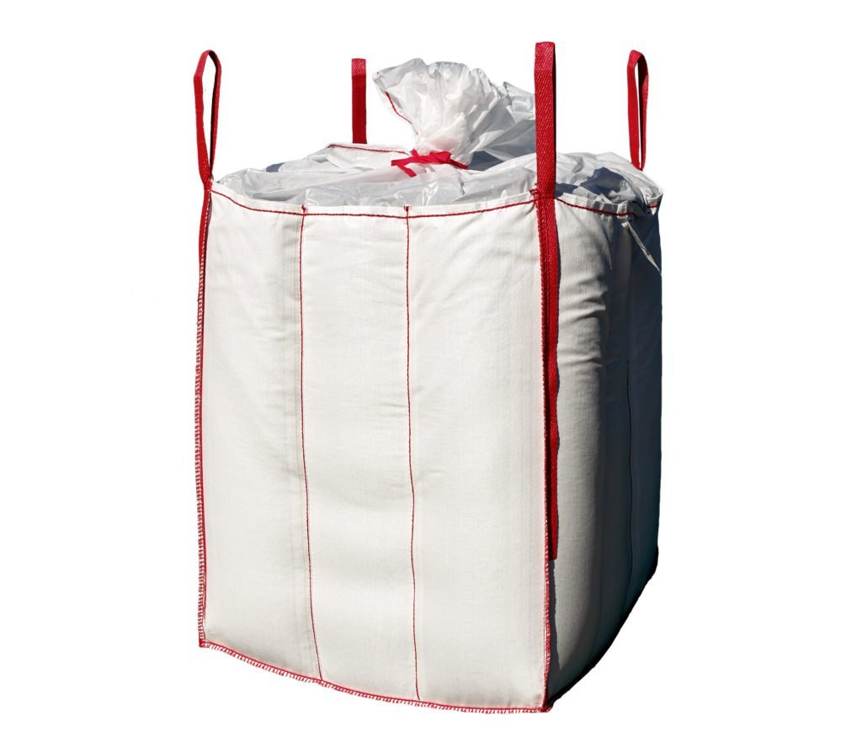
Manufactured from 100% virgin polymer which is fabricated into a circular woven polypropylene material.
Woven polypropylene baffles are pre-cut with oval dye-cut holes that are sewn into the material diagonally across each corner.
Baffle FIBCs (bulk bags) can have eight reinforcement sections that are woven into the polypropylene loom to attach four rigid cross-corner loops that allow the forklift operator to pick up bags without much hassle.
A section of polypropylene material is attached to the top and bottom of the baffle FIBC (bulk bag) to complete its design.
Width varies from 105cm to 112cm; can be customized to your needs.
Suitable for various filling and discharge options.
SF (safety factor): 5:1 or 6:1
SWL (safe working load): 500kg to 2500kg.Ideal for light-density products.
Economical alternative for clients as it increases the payload - the larger panel width allows corners to be filled with 25%-30% more product.
Increased stack ability with all sewn edges turned to the outside which reduces potential contamination.
Benefits/Advantages of Baffle Bags?
Enhanced storage space i.e., 30% more than other FIBC Bags.
Cleaner form factor
Superior structural integrity
Improved handling and storage.
How are Baffle or Q FIBC bags being different from standard FIBC bags?
Baffle FIBC bags are different from other FIBC bags in the following ways:
Standard bags tend to bulge if full, whereas baffle bags can be stacked more neatly.
Contrary to other FIBC bags, baffle bags maintain their shape even after being fully filled because they include baffles on the corners.
When a typical FIBC bag is fully loaded with items, it might sag significantly. As a result, they are effective for moving some materials like gravel and sand, but they are ineffective for moving finer, powder-like materials like cement, fertilizers, etc. These more upscale goods are best stored and transported in baffle FIBC bags.
Baffle bags are more s

